General info
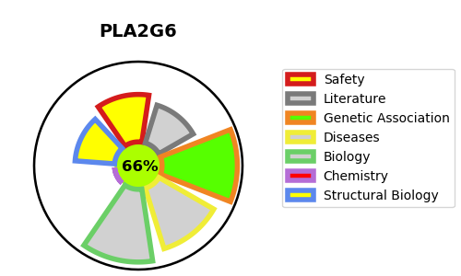
Gene_name | PLA2G6 | Tractable | Tractability_probability
Synonyms | 3.1.1.4,85/88 kDa calcium-independent phospholipase A2,CaI-PLA2,GVI PLA2,Group VI phospholipase A2,Intracellular membrane-associated calcium-independent phospholipase A2 beta,PLA2G6,PLPLA9,PNPLA9,Patatin-like phospholipase domain-containing protein 9,iPLA2-beta | True | 66.53
Target_id | O60733 | In Training data set ?
Protein_class | Enzyme | No
Protein_class_desc | enzyme
Species | Homo sapiens (Human).
Number_isoforms | 4

DISEASE |  | PATHWAYS
disease_id | disease_name | Reactome | KEGG
OMIM:256600 | NEURODEGENERATION WITH BRAIN IRON ACCUMULATION 2A | Acyl chain remodeling of CL
OMIM:610217 | NEURODEGENERATION WITH BRAIN IRON ACCUMULATION 2B | Acyl chain remodelling of PC
OMIM:612953 | PARKINSON DISEASE 14, AUTOSOMAL RECESSIVE | Acyl chain remodelling of PE
 |  | COPI-independent Golgi-to-ER retrograde traffic
 |  | Fcgamma receptor (FCGR) dependent phagocytosis
 |  | Glycerophospholipid biosynthesis
 |  | Golgi-to-ER retrograde transport
 |  | Immune System
 |  | Innate Immune System
 |  | Intra-Golgi and retrograde Golgi-to-ER traffic
 |  | Membrane Trafficking
 |  | Metabolism
 |  | Metabolism of lipids
 |  | Phospholipid metabolism
 |  | Role of phospholipids in phagocytosis
 |  | Vesicle-mediated transport

