General info
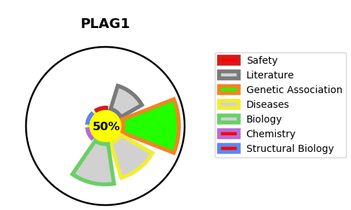
Gene_name | PLAG1 | Tractable | Tractability_probability
Synonyms | Not found | True | 50.7
Target_id | Q6DJT9 | In Training data set ?
Protein_class |  | No
Protein_class_desc
Species | Homo sapiens (Human).
Number_isoforms | 2

DISEASE |  | PATHWAYS
disease_id | disease_name | Reactome | KEGG
OMIM:181030 | SALIVARY GLAND ADENOMA, PLEOMORPHIC
OMIM:618907 | SILVER-RUSSELL SYNDROME 4

