General info
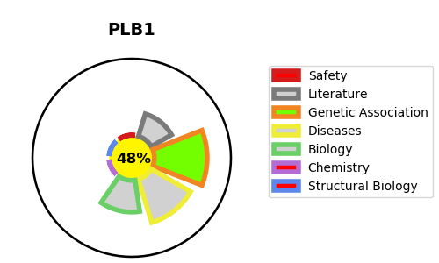
Gene_name | PLB1 | Tractable | Tractability_probability
Synonyms | PLB | False | 48.18
Target_id | Q6P1J6 | In Training data set ?
Protein_class |  | No
Protein_class_desc
Species | Homo sapiens (Human).
Number_isoforms | 5

DISEASE |  | PATHWAYS
disease_id | disease_name | Reactome | KEGG
 |  | Acyl chain remodelling of PC
 |  | G alpha (i) signalling events
 |  | GPCR downstream signalling
 |  | Glycerophospholipid biosynthesis
 |  | Metabolism
 |  | Metabolism of fat-soluble vitamins
 |  | Metabolism of lipids
 |  | Metabolism of vitamins and cofactors
 |  | Phospholipid metabolism
 |  | Retinoid metabolism and transport
 |  | Signal Transduction
 |  | Signaling by GPCR
 |  | Visual phototransduction

