General info
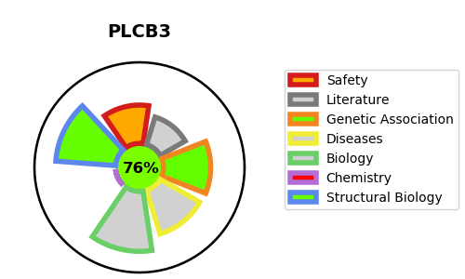
Gene_name | PLCB3 | Tractable | Tractability_probability
Synonyms | 1-phosphatidylinositol 4,5-bisphosphate phosphodiesterase beta-3,3.1.4.11,PLC-beta-3,PLCB3,Phosphoinositide phospholipase C-beta-3,Phospholipase C-beta-3 | True | 76.39
Target_id | Q01970 | In Training data set ?
Protein_class | Enzyme | No
Protein_class_desc | enzyme
Species | Homo sapiens (Human).
Number_isoforms | 2

DISEASE |  | PATHWAYS
disease_id | disease_name | Reactome | KEGG
OMIM:618961 | SPONDYLOMETAPHYSEAL DYSPLASIA WITH CORNEAL DYSTROPHY | Acetylcholine regulates insulin secretion
 |  | Activation of kainate receptors upon glutamate binding
 |  | Beta-catenin independent WNT signaling
 |  | Ca2+ pathway
 |  | Fatty Acids bound to GPR40 (FFAR1) regulate insulin secretion
 |  | Free fatty acids regulate insulin secretion
 |  | G alpha (i) signalling events
 |  | G alpha (q) signalling events
 |  | G beta:gamma signalling through PLC beta
 |  | G-protein beta:gamma signalling
 |  | G-protein mediated events
 |  | GPCR downstream signalling
 |  | Inositol phosphate metabolism
 |  | Integration of energy metabolism
 |  | Metabolism
 |  | Neuronal System
 |  | Neurotransmitter receptors and postsynaptic signal transmission
 |  | Opioid Signalling
 |  | PLC beta mediated events
 |  | Presynaptic function of Kainate receptors
 |  | Regulation of insulin secretion
 |  | Signal Transduction
 |  | Signaling by GPCR
 |  | Signaling by WNT
 |  | Synthesis of IP3 and IP4 in the cytosol
 |  | Transmission across Chemical Synapses

