General info
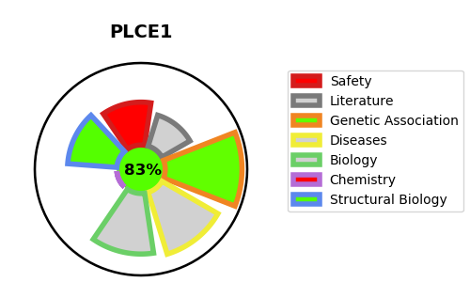
Gene_name | PLCE1 | Tractable | Tractability_probability
Synonyms | KIAA1516, PLCE, PPLC | True | 83.46
Target_id | Q9P212 | In Training data set ?
Protein_class |  | No
Protein_class_desc
Species | Homo sapiens (Human).
Number_isoforms | 2

DISEASE |  | PATHWAYS
disease_id | disease_name | Reactome | KEGG
OMIM:610725 | NEPHROTIC SYNDROME, TYPE 3 | Inositol phosphate metabolism
 |  | Metabolism
 |  | Synthesis of IP3 and IP4 in the cytosol

