General info
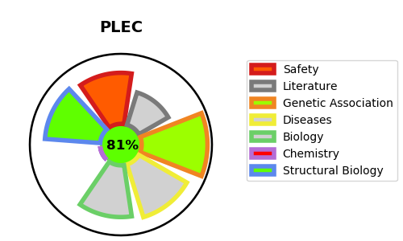
Gene_name | PLEC | Tractable | Tractability_probability
Synonyms | HD1,Hemidesmosomal protein 1,PCN,PLEC,PLEC1,PLTN,Plectin,Plectin-1 | True | 81.77
Target_id | Q15149 | In Training data set ?
Protein_class | Structural protein | No
Protein_class_desc | structural
Species | Homo sapiens (Human).
Number_isoforms | 9

DISEASE |  | PATHWAYS
disease_id | disease_name | Reactome | KEGG
OMIM:131950 | EPIDERMOLYSIS BULLOSA SIMPLEX, OGNA TYPE | Apoptosis
OMIM:226670 | EPIDERMOLYSIS BULLOSA SIMPLEX WITH MUSCULAR DYSTROPHY | Apoptotic cleavage of cellular proteins
OMIM:226730 | EPIDERMOLYSIS BULLOSA JUNCTIONALIS WITH PYLORIC ATRESIA | Apoptotic execution phase
OMIM:612138 | EPIDERMOLYSIS BULLOSA SIMPLEX WITH PYLORIC ATRESIA | Assembly of collagen fibrils and other multimeric structures
OMIM:613723 | MUSCULAR DYSTROPHY, LIMB-GIRDLE, AUTOSOMAL RECESSIVE 17 | Caspase-mediated cleavage of cytoskeletal proteins
OMIM:616487 | EPIDERMOLYSIS BULLOSA SIMPLEX WITH NAIL DYSTROPHY | Cell junction organization
 |  | Cell-Cell communication
 |  | Collagen formation
 |  | Extracellular matrix organization
 |  | Programmed Cell Death
 |  | Type I hemidesmosome assembly

