General info
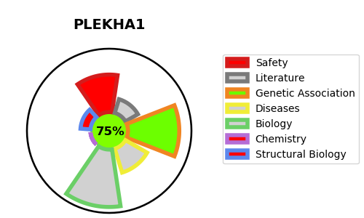
Gene_name | PLEKHA1 | Tractable | Tractability_probability
Synonyms | PH domain-containing family A member 1,PLEKHA1,Pleckstrin homology domain-containing family A member 1,TAPP-1,TAPP1,Tandem PH domain-containing protein 1 | True | 75
Target_id | Q9HB21 | In Training data set ?
Protein_class | Plant homeodomain | No
Protein_class_desc | epigenetic regulator -> reader -> phd
Species | Homo sapiens (Human).
Number_isoforms | 2

DISEASE |  | PATHWAYS
disease_id | disease_name | Reactome | KEGG
 |  | Metabolism
 |  | Metabolism of lipids
 |  | PI Metabolism
 |  | Phospholipid metabolism
 |  | Synthesis of PIPs at the plasma membrane

