General info
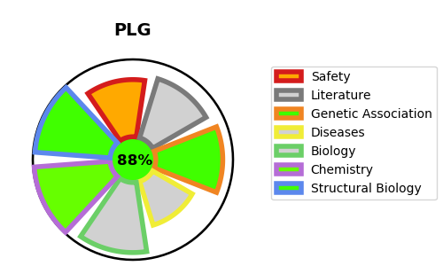
Gene_name | PLG | Tractable | Tractability_probability
Synonyms | 3.4.21.7,Activation peptide,Angiostatin,PLG,Plasmin heavy chain A,Plasmin heavy chain A, short form,Plasmin light chain B,Plasminogen | True | 88.38
Target_id | P00747 | In Training data set ?
Protein_class | Serine protease S1A subfamily | No
Protein_class_desc | enzyme -> protease -> serine -> pas -> s1a
Species | Homo sapiens (Human).
Number_isoforms | 0

DISEASE |  | PATHWAYS
disease_id | disease_name | Reactome | KEGG
OMIM:217090 | PLASMINOGEN DEFICIENCY, TYPE I | Activation of Matrix Metalloproteinases
 |  | Degradation of the extracellular matrix
 |  | Dissolution of Fibrin Clot
 |  | Extracellular matrix organization
 |  | Hemostasis
 |  | Metabolism of proteins
 |  | Platelet activation, signaling and aggregation
 |  | Platelet degranulation
 |  | Regulation of Insulin-like Growth Factor (IGF) transport and uptake by Insulin-like Growth Factor Binding Proteins (IGFBPs)
 |  | Response to elevated platelet cytosolic Ca2+
 |  | Signal Transduction
 |  | Signaling by PDGF
 |  | Signaling by Receptor Tyrosine Kinases

