General info
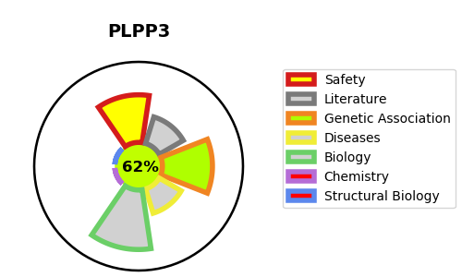
Gene_name | PLPP3 | Tractable | Tractability_probability
Synonyms | LPP3, PPAP2B | True | 62.51
Target_id | O14495 | In Training data set ?
Protein_class |  | No
Protein_class_desc
Species | Homo sapiens (Human).
Number_isoforms | 0

DISEASE |  | PATHWAYS
disease_id | disease_name | Reactome | KEGG
 |  | Metabolism
 |  | Metabolism of lipids
 |  | Sphingolipid de novo biosynthesis
 |  | Sphingolipid metabolism

