General info
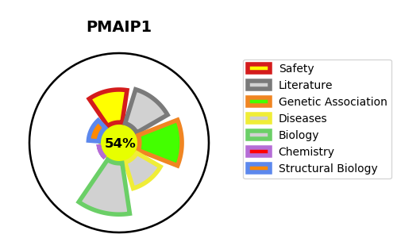
Gene_name | PMAIP1 | Tractable | Tractability_probability
Synonyms | NOXA | True | 54.76
Target_id | Q13794 | In Training data set ?
Protein_class |  | No
Protein_class_desc
Species | Homo sapiens (Human).
Number_isoforms | 2

DISEASE |  | PATHWAYS
disease_id | disease_name | Reactome | KEGG
 |  | Activation of BH3-only proteins
 |  | Activation of NOXA and translocation to mitochondria
 |  | Apoptosis
 |  | BH3-only proteins associate with and inactivate anti-apoptotic BCL-2 members
 |  | Gene expression (Transcription)
 |  | Generic Transcription Pathway
 |  | Intrinsic Pathway for Apoptosis
 |  | Programmed Cell Death
 |  | RNA Polymerase II Transcription
 |  | TP53 Regulates Transcription of Cell Death Genes
 |  | TP53 Regulates Transcription of Genes Involved in Cytochrome C Release
 |  | Transcriptional Regulation by TP53

