General info
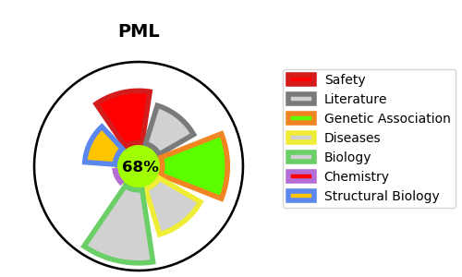
Gene_name | PML | Tractable | Tractability_probability
Synonyms | MYL, PP8675, RNF71, TRIM19 | True | 68.7
Target_id | P29590 | In Training data set ?
Protein_class |  | No
Protein_class_desc
Species | Homo sapiens (Human).
Number_isoforms | 12

DISEASE |  | PATHWAYS
disease_id | disease_name | Reactome | KEGG
 |  | Cytokine Signaling in Immune system
 |  | Developmental Biology
 |  | Disease
 |  | Gene expression (Transcription)
 |  | Generic Transcription Pathway
 |  | HCMV Early Events
 |  | HCMV Infection
 |  | Immune System
 |  | Infectious disease
 |  | Interferon Signaling
 |  | Interferon gamma signaling
 |  | Intracellular signaling by second messengers
 |  | Metabolism of proteins
 |  | PIP3 activates AKT signaling
 |  | PTEN Regulation
 |  | Post-translational protein modification
 |  | RNA Polymerase II Transcription
 |  | Regulation of PTEN localization
 |  | Regulation of RUNX1 Expression and Activity
 |  | Regulation of TP53 Activity
 |  | Regulation of TP53 Activity through Acetylation
 |  | SUMO E3 ligases SUMOylate target proteins
 |  | SUMOylation
 |  | SUMOylation of DNA damage response and repair proteins
 |  | SUMOylation of ubiquitinylation proteins
 |  | Signal Transduction
 |  | Transcriptional Regulation by TP53
 |  | Transcriptional regulation by RUNX1
 |  | Transcriptional regulation of granulopoiesis

