General info
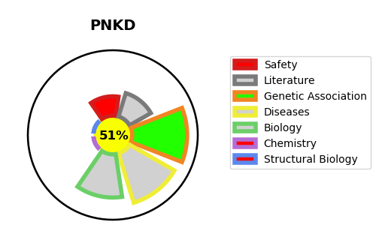
Gene_name | PNKD | Tractable | Tractability_probability
Synonyms | KIAA1184, MR1, TAHCCP2 | True | 51.24
Target_id | Q8N490 | In Training data set ?
Protein_class |  | No
Protein_class_desc
Species | Homo sapiens (Human).
Number_isoforms | 4

DISEASE |  | PATHWAYS
disease_id | disease_name | Reactome | KEGG
OMIM:118800 | PAROXYSMAL NONKINESIGENIC DYSKINESIA 1

