General info
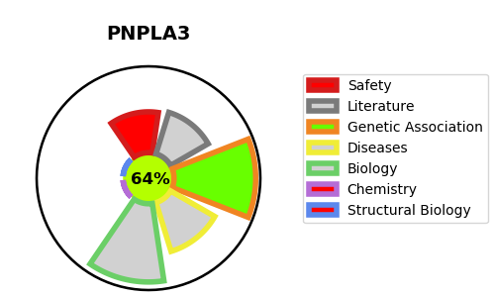
Gene_name | PNPLA3 | Tractable | Tractability_probability
Synonyms | ADPN {ECO:0000303|PubMed:22560221}, C22orf20 | True | 64.79
Target_id | Q9NST1 | In Training data set ?
Protein_class |  | No
Protein_class_desc
Species | Homo sapiens (Human).
Number_isoforms | 2

DISEASE |  | PATHWAYS
disease_id | disease_name | Reactome | KEGG
 |  | Acyl chain remodeling of DAG and TAG
 |  | Glycerophospholipid biosynthesis
 |  | Metabolism
 |  | Metabolism of lipids
 |  | Phospholipid metabolism

