General info
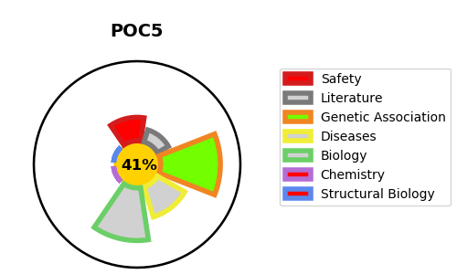
Gene_name | POC5 | Tractable | Tractability_probability
Synonyms | C5orf37 | False | 41.08
Target_id | Q8NA72 | In Training data set ?
Protein_class |  | No
Protein_class_desc
Species | Homo sapiens (Human).
Number_isoforms | 3

DISEASE |  | PATHWAYS
disease_id | disease_name | Reactome | KEGG

