General info
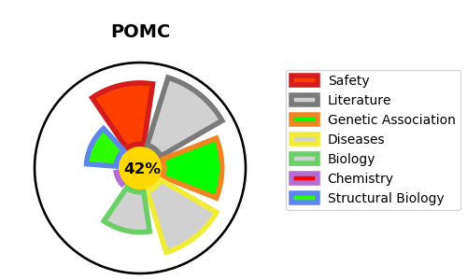
Gene_name | POMC | Tractable | Tractability_probability
Synonyms | Not found | False | 42.46
Target_id | P01189 | In Training data set ?
Protein_class |  | No
Protein_class_desc
Species | Homo sapiens (Human).
Number_isoforms | 0

DISEASE |  | PATHWAYS
disease_id | disease_name | Reactome | KEGG
OMIM:601665 | OBESITY
OMIM:609734 | OBESITY, EARLY-ONSET, WITH ADRENAL INSUFFICIENCY AND RED HAIR

