General info
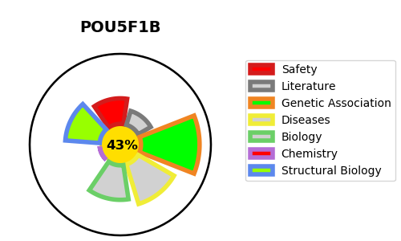
Gene_name | POU5F1B | Tractable | Tractability_probability
Synonyms | OCT4PG1, OTF3C, OTF3P1, POU5F1P1, POU5FLC20, POU5FLC8 | False | 43.55
Target_id | Q06416 | In Training data set ?
Protein_class |  | No
Protein_class_desc
Species | Homo sapiens (Human).
Number_isoforms | 0

DISEASE |  | PATHWAYS
disease_id | disease_name | Reactome | KEGG

