General info
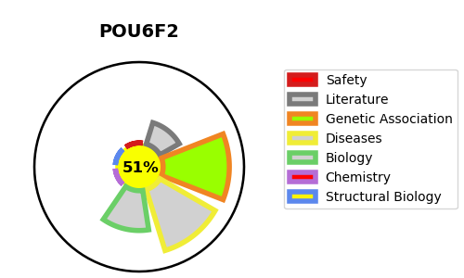
Gene_name | POU6F2 | Tractable | Tractability_probability
Synonyms | RPF1 | True | 51.32
Target_id | P78424 | In Training data set ?
Protein_class |  | No
Protein_class_desc
Species | Homo sapiens (Human).
Number_isoforms | 2

DISEASE |  | PATHWAYS
disease_id | disease_name | Reactome | KEGG
OMIM:601583 | WILMS TUMOR 5

