General info
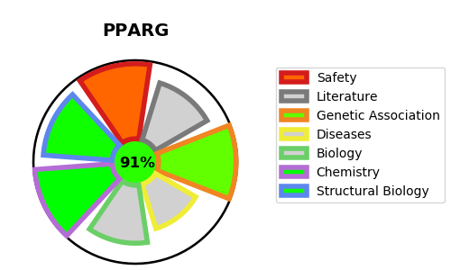
Gene_name | PPARG | Tractable | Tractability_probability
Synonyms | NR1C3,Nuclear receptor subfamily 1 group C member 3,PPAR-gamma,PPARG,Peroxisome proliferator-activated receptor gamma | True | 91.88
Target_id | P37231 | In Training data set ?
Protein_class | Nuclear hormone receptor subfamily 1 group C member 3 | No
Protein_class_desc | transcription factor -> nuclear receptor -> nr1 -> nr1c -> nr1c3
Species | Homo sapiens (Human).
Number_isoforms | 3

DISEASE |  | PATHWAYS
disease_id | disease_name | Reactome | KEGG
OMIM:125853 | TYPE 2 DIABETES MELLITUS | Developmental Biology
OMIM:601665 | OBESITY | Gene expression (Transcription)
OMIM:604367 | LIPODYSTROPHY, FAMILIAL PARTIAL, TYPE 3 | Generic Transcription Pathway
OMIM:609338 | CAROTID INTIMAL MEDIAL THICKNESS 1 | Intracellular signaling by second messengers
 |  | MECP2 regulates transcription factors
 |  | Metabolism
 |  | Metabolism of lipids
 |  | Metabolism of proteins
 |  | Nuclear Receptor transcription pathway
 |  | PIP3 activates AKT signaling
 |  | PPARA activates gene expression
 |  | PTEN Regulation
 |  | Post-translational protein modification
 |  | RNA Polymerase II Transcription
 |  | Regulation of PTEN gene transcription
 |  | Regulation of lipid metabolism by PPARalpha
 |  | SUMO E3 ligases SUMOylate target proteins
 |  | SUMOylation
 |  | SUMOylation of intracellular receptors
 |  | Signal Transduction
 |  | Transcriptional Regulation by MECP2
 |  | Transcriptional regulation of white adipocyte differentiation

