General info
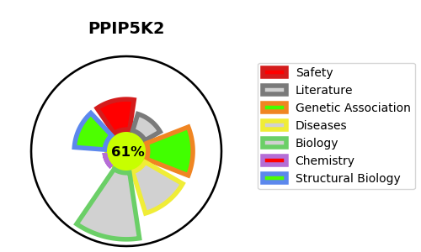
Gene_name | PPIP5K2 | Tractable | Tractability_probability
Synonyms | HISPPD1, KIAA0433, VIP2 | True | 61.12
Target_id | O43314 | In Training data set ?
Protein_class |  | No
Protein_class_desc
Species | Homo sapiens (Human).
Number_isoforms | 2

DISEASE |  | PATHWAYS
disease_id | disease_name | Reactome | KEGG
OMIM:618422 | DEAFNESS, AUTOSOMAL RECESSIVE 100 | Inositol phosphate metabolism
 |  | Metabolism
 |  | Synthesis of pyrophosphates in the cytosol

