General info
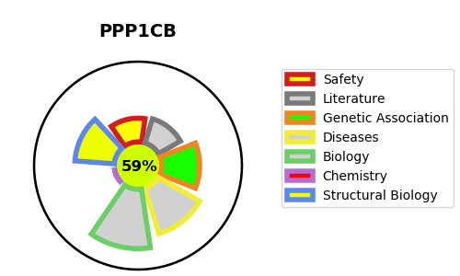
Gene_name | PPP1CB | Tractable | Tractability_probability
Synonyms | 3.1.3.16,3.1.3.53,PP-1B,PPP1CB,PPP1CD,Serine/threonine-protein phosphatase PP1-beta catalytic subunit | True | 59.74
Target_id | P62140 | In Training data set ?
Protein_class | Serine/threonine protein phosphatase | No
Protein_class_desc | enzyme -> phosphatase -> protein phosphatase -> ser_thr
Species | Homo sapiens (Human).
Number_isoforms | 0

DISEASE |  | PATHWAYS
disease_id | disease_name | Reactome | KEGG
OMIM:617506 | NOONAN SYNDROME-LIKE DISORDER WITH LOOSE ANAGEN HAIR 2 | Cell Cycle
 |  | Cell Cycle, Mitotic
 |  | Circadian Clock
 |  | Cytokine Signaling in Immune system
 |  | Disease
 |  | Diseases of signal transduction by growth factor receptors and second messengers
 |  | Downregulation of TGF-beta receptor signaling
 |  | FLT3 Signaling
 |  | G2/M Transition
 |  | Immune System
 |  | MAPK family signaling cascades
 |  | MAPK1/MAPK3 signaling
 |  | Metabolism
 |  | Metabolism of lipids
 |  | Mitotic G2-G2/M phases
 |  | Oncogenic MAPK signaling
 |  | RAF activation
 |  | RAF/MAP kinase cascade
 |  | RHO GTPase Effectors
 |  | RHO GTPases Activate ROCKs
 |  | RHO GTPases activate CIT
 |  | RHO GTPases activate PAKs
 |  | RHO GTPases activate PKNs
 |  | Regulation of PLK1 Activity at G2/M Transition
 |  | Signal Transduction
 |  | Signaling by MRAS-complex mutants
 |  | Signaling by Rho GTPases
 |  | Signaling by TGF-beta Receptor Complex
 |  | Signaling by TGFB family members
 |  | TGF-beta receptor signaling activates SMADs
 |  | Triglyceride catabolism
 |  | Triglyceride metabolism

