General info
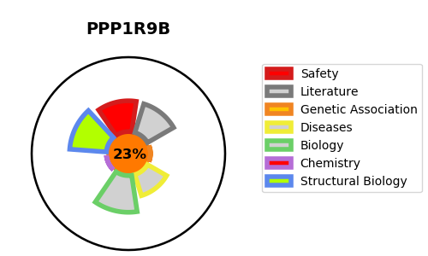
Gene_name | PPP1R9B | Tractable | Tractability_probability
Synonyms | PPP1R6 | False | 23.92
Target_id | Q96SB3 | In Training data set ?
Protein_class |  | No
Protein_class_desc
Species | Homo sapiens (Human).
Number_isoforms | 0

DISEASE |  | PATHWAYS
disease_id | disease_name | Reactome | KEGG

