General info
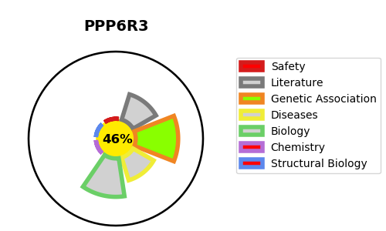
Gene_name | PPP6R3 | Tractable | Tractability_probability
Synonyms | C11orf23,KIAA1558,PP6R3,PPP6R3,SAPL,SAPS domain family member 3,SAPS3,Serine/threonine-protein phosphatase 6 regulatory subunit 3,Sporulation-induced transcript 4-associated protein SAPL | False | 46.11
Target_id | Q5H9R7 | In Training data set ?
Protein_class | Unclassified protein | No
Protein_class_desc | unclassified
Species | Homo sapiens (Human).
Number_isoforms | 6

DISEASE |  | PATHWAYS
disease_id | disease_name | Reactome | KEGG
 |  | Asparagine N-linked glycosylation
 |  | COPII-mediated vesicle transport
 |  | Cell Cycle
 |  | Chromosome Maintenance
 |  | ER to Golgi Anterograde Transport
 |  | Extension of Telomeres
 |  | Membrane Trafficking
 |  | Metabolism of proteins
 |  | Post-translational protein modification
 |  | Telomere Extension By Telomerase
 |  | Telomere Maintenance
 |  | Transport to the Golgi and subsequent modification
 |  | Vesicle-mediated transport

