General info
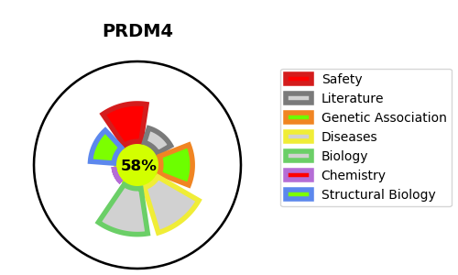
Gene_name | PRDM4 | Tractable | Tractability_probability
Synonyms | PFM1 | True | 58.92
Target_id | Q9UKN5 | In Training data set ?
Protein_class |  | No
Protein_class_desc
Species | Homo sapiens (Human).
Number_isoforms | 0

DISEASE |  | PATHWAYS
disease_id | disease_name | Reactome | KEGG
 |  | Death Receptor Signalling
 |  | Signal Transduction
 |  | p75 NTR receptor-mediated signalling
 |  | p75NTR negatively regulates cell cycle via SC1

