General info
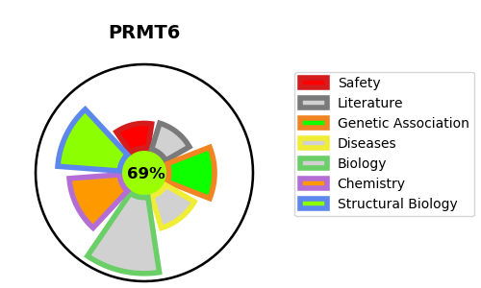
Gene_name | PRMT6 | Tractable | Tractability_probability
Synonyms | 2.1.1.319,HRMT1L6,Heterogeneous nuclear ribonucleoprotein methyltransferase-like protein 6,Histone-arginine N-methyltransferase PRMT6,PRMT6,Protein arginine N-methyltransferase 6 | True | 69.81
Target_id | Q96LA8 | In Training data set ?
Protein_class | Protein arginine methyltransferase | No
Protein_class_desc | epigenetic regulator -> writer -> pmt -> prmt
Species | Homo sapiens (Human).
Number_isoforms | 2

DISEASE |  | PATHWAYS
disease_id | disease_name | Reactome | KEGG
 |  | Chromatin modifying enzymes
 |  | Chromatin organization
 |  | Gene expression (Transcription)
 |  | Generic Transcription Pathway
 |  | RMTs methylate histone arginines
 |  | RNA Polymerase II Transcription
 |  | RUNX1 regulates genes involved in megakaryocyte differentiation and platelet function
 |  | Transcriptional regulation by RUNX1

