General info
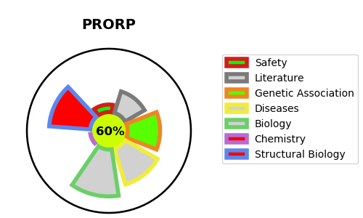
Gene_name | PRORP | Tractable | Tractability_probability
Synonyms | KIAA0391, MRPP3 {ECO:0000303|PubMed:18984158} | True | 60.33
Target_id | O15091 | In Training data set ?
Protein_class |  | No
Protein_class_desc
Species | Homo sapiens (Human).
Number_isoforms | 4

DISEASE |  | PATHWAYS
disease_id | disease_name | Reactome | KEGG
 |  | Metabolism of RNA
 |  | rRNA processing
 |  | rRNA processing in the mitochondrion
 |  | tRNA modification in the mitochondrion
 |  | tRNA processing
 |  | tRNA processing in the mitochondrion

