General info
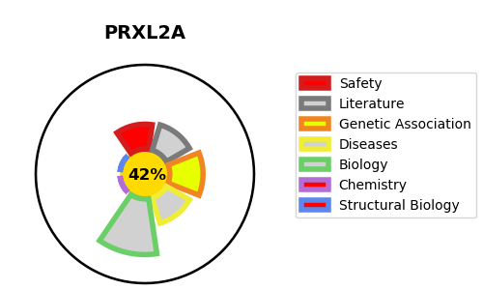
Gene_name | PRXL2A | Tractable | Tractability_probability
Synonyms | C10orf58,FAM213A,PAMM,PRXL2A,Peroxiredoxin-like 2 activated in M-CSF stimulated monocytes,Peroxiredoxin-like 2A,Protein PAMM,Redox-regulatory protein FAM213A | False | 42.86
Target_id | Q9BRX8 | In Training data set ?
Protein_class | Unclassified protein | No
Protein_class_desc | unclassified
Species | Homo sapiens (Human).
Number_isoforms | 2

DISEASE |  | PATHWAYS
disease_id | disease_name | Reactome | KEGG

