General info
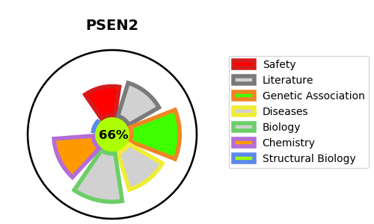
Gene_name | PSEN2 | Tractable | Tractability_probability
Synonyms | 3.4.23.-,AD3LP,AD4,AD5,E5-1,PS-2,PS2,PSEN2,PSNL2,Presenilin-2,Presenilin-2 CTF subunit,Presenilin-2 NTF subunit,STM-2,STM2 | True | 66.29
Target_id | P49810 | In Training data set ?
Protein_class | Presenilin ER Ca2+ leak channel family | No
Protein_class_desc | ion channel -> other -> misc -> presenilin
Species | Homo sapiens (Human).
Number_isoforms | 3

DISEASE |  | PATHWAYS
disease_id | disease_name | Reactome | KEGG
OMIM:606889 | ALZHEIMER DISEASE 4 | Activated NOTCH1 Transmits Signal to the Nucleus
OMIM:613697 | CARDIOMYOPATHY, DILATED, 1V | Axon guidance
 |  | Cell death signalling via NRAGE, NRIF and NADE
 |  | Constitutive Signaling by NOTCH1 HD+PEST Domain Mutants
 |  | Constitutive Signaling by NOTCH1 PEST Domain Mutants
 |  | Death Receptor Signalling
 |  | Developmental Biology
 |  | Disease
 |  | Diseases of signal transduction by growth factor receptors and second messengers
 |  | EPH-Ephrin signaling
 |  | EPH-ephrin mediated repulsion of cells
 |  | NOTCH2 Activation and Transmission of Signal to the Nucleus
 |  | NOTCH3 Activation and Transmission of Signal to the Nucleus
 |  | NOTCH4 Activation and Transmission of Signal to the Nucleus
 |  | NRIF signals cell death from the nucleus
 |  | Nervous system development
 |  | Noncanonical activation of NOTCH3
 |  | Nuclear signaling by ERBB4
 |  | Regulated proteolysis of p75NTR
 |  | Signal Transduction
 |  | Signaling by ERBB4
 |  | Signaling by NOTCH
 |  | Signaling by NOTCH1
 |  | Signaling by NOTCH1 HD+PEST Domain Mutants in Cancer
 |  | Signaling by NOTCH1 PEST Domain Mutants in Cancer
 |  | Signaling by NOTCH1 in Cancer
 |  | Signaling by NOTCH2
 |  | Signaling by NOTCH3
 |  | Signaling by NOTCH4
 |  | Signaling by Receptor Tyrosine Kinases
 |  | p75 NTR receptor-mediated signalling

