General info
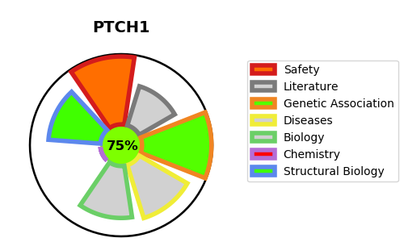
Gene_name | PTCH1 | Tractable | Tractability_probability
Synonyms | PTCH | True | 75.53
Target_id | Q13635 | In Training data set ?
Protein_class |  | No
Protein_class_desc
Species | Homo sapiens (Human).
Number_isoforms | 4

DISEASE |  | PATHWAYS
disease_id | disease_name | Reactome | KEGG
OMIM:109400 | BASAL CELL NEVUS SYNDROME | Activation of SMO
OMIM:605462 | BASAL CELL CARCINOMA, SUSCEPTIBILITY TO, 1 | Class B/2 (Secretin family receptors)
OMIM:610828 | HOLOPROSENCEPHALY 7 | GPCR ligand binding
 |  | Hedgehog 'off' state
 |  | Hedgehog 'on' state
 |  | Ligand-receptor interactions
 |  | Signal Transduction
 |  | Signaling by GPCR
 |  | Signaling by Hedgehog

