General info
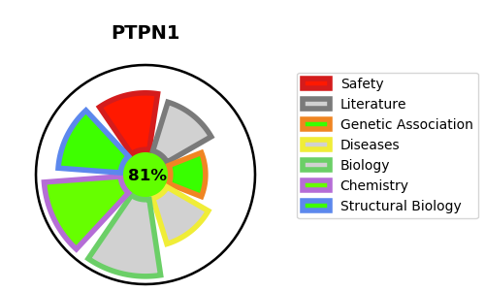
Gene_name | PTPN1 | Tractable | Tractability_probability
Synonyms | 3.1.3.48,PTP-1B,PTP1B,PTPN1,Protein-tyrosine phosphatase 1B,Tyrosine-protein phosphatase non-receptor type 1 | True | 81.13
Target_id | P18031 | In Training data set ?
Protein_class | Tyrosine protein phosphatase | No
Protein_class_desc | enzyme -> phosphatase -> protein phosphatase -> tyr
Species | Homo sapiens (Human).
Number_isoforms | 0

DISEASE |  | PATHWAYS
disease_id | disease_name | Reactome | KEGG
OMIM:125853 | TYPE 2 DIABETES MELLITUS | Cytokine Signaling in Immune system
 |  | Gene expression (Transcription)
 |  | Generic Transcription Pathway
 |  | Growth hormone receptor signaling
 |  | Hemostasis
 |  | Immune System
 |  | Integrin signaling
 |  | Interferon Signaling
 |  | Interferon alpha/beta signaling
 |  | Interferon gamma signaling
 |  | MECP2 regulates neuronal receptors and channels
 |  | Negative regulation of MET activity
 |  | PTK6 Down-Regulation
 |  | Platelet Aggregation (Plug Formation)
 |  | Platelet activation, signaling and aggregation
 |  | RNA Polymerase II Transcription
 |  | Regulation of IFNA signaling
 |  | Regulation of IFNG signaling
 |  | Signal Transduction
 |  | Signaling by MET
 |  | Signaling by Non-Receptor Tyrosine Kinases
 |  | Signaling by PTK6
 |  | Signaling by Receptor Tyrosine Kinases
 |  | Transcriptional Regulation by MECP2

