General info
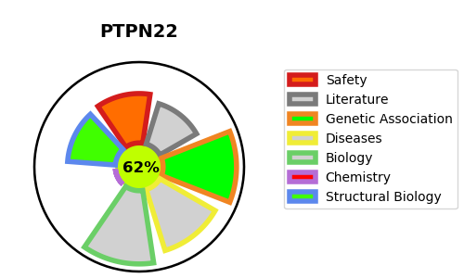
Gene_name | PTPN22 | Tractable | Tractability_probability
Synonyms | 3.1.3.48,Hematopoietic cell protein-tyrosine phosphatase 70Z-PEP,LyP,Lymphoid phosphatase,PEP,PEST-domain phosphatase,PTPN22,PTPN8,Tyrosine-protein phosphatase non-receptor type 22 | True | 62.61
Target_id | Q9Y2R2 | In Training data set ?
Protein_class | Tyrosine protein phosphatase | No
Protein_class_desc | enzyme -> phosphatase -> protein phosphatase -> tyr
Species | Homo sapiens (Human).
Number_isoforms | 6

DISEASE |  | PATHWAYS
disease_id | disease_name | Reactome | KEGG
OMIM:152700 | SYSTEMIC LUPUS ERYTHEMATOSUS | Adaptive Immune System
OMIM:180300 | RHEUMATOID ARTHRITIS | Immune System
OMIM:222100 | TYPE 1 DIABETES MELLITUS | Phosphorylation of CD3 and TCR zeta chains
 |  | TCR signaling
 |  | Translocation of ZAP-70 to Immunological synapse

