General info
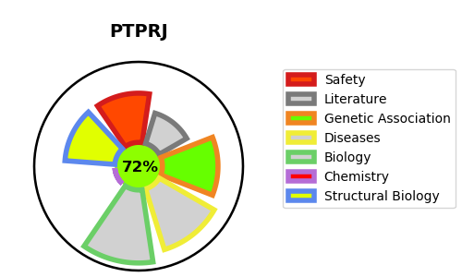
Gene_name | PTPRJ | Tractable | Tractability_probability
Synonyms | 3.1.3.48,CD_antigen=CD148,DEP-1,DEP1,Density-enhanced phosphatase 1,HPTP eta,PTPRJ,Protein-tyrosine phosphatase eta,Protein-tyrosine phosphatase receptor type J,R-PTP-J,R-PTP-eta,Receptor-type tyrosine-protein phosphatase eta | True | 72.36
Target_id | Q12913 | In Training data set ?
Protein_class | Receptor tyrosine-protein phosphatase | No
Protein_class_desc | enzyme -> phosphatase -> protein phosphatase -> tyr -> receptor
Species | Homo sapiens (Human).
Number_isoforms | 3

DISEASE |  | PATHWAYS
disease_id | disease_name | Reactome | KEGG
OMIM:114500 | COLORECTAL CANCER | Adaptive Immune System
 |  | Immune System
 |  | Innate Immune System
 |  | Negative regulation of MET activity
 |  | Neutrophil degranulation
 |  | Phosphorylation of CD3 and TCR zeta chains
 |  | Signal Transduction
 |  | Signaling by MET
 |  | Signaling by Receptor Tyrosine Kinases
 |  | TCR signaling

