General info
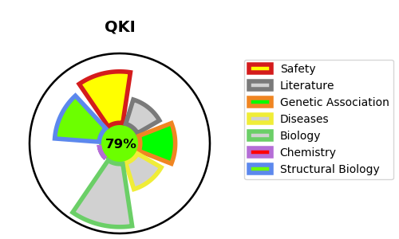
Gene_name | QKI | Tractable | Tractability_probability
Synonyms | HKQ | True | 79.12
Target_id | Q96PU8 | In Training data set ?
Protein_class |  | No
Protein_class_desc
Species | Homo sapiens (Human).
Number_isoforms | 6

DISEASE |  | PATHWAYS
disease_id | disease_name | Reactome | KEGG
 |  | Disease
 |  | Diseases of signal transduction by growth factor receptors and second messengers
 |  | Oncogenic MAPK signaling
 |  | Signaling by BRAF and RAF fusions

