General info
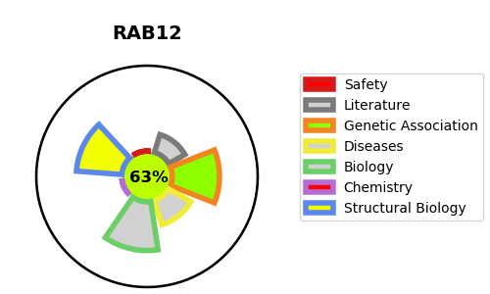
Gene_name | RAB12 | Tractable | Tractability_probability
Synonyms | Not found | True | 63.16
Target_id | Q6IQ22 | In Training data set ?
Protein_class |  | No
Protein_class_desc
Species | Homo sapiens (Human).
Number_isoforms | 0

DISEASE |  | PATHWAYS
disease_id | disease_name | Reactome | KEGG
 |  | Membrane Trafficking
 |  | Metabolism of proteins
 |  | Post-translational protein modification
 |  | RAB GEFs exchange GTP for GDP on RABs
 |  | RAB geranylgeranylation
 |  | Rab regulation of trafficking
 |  | Vesicle-mediated transport

