General info
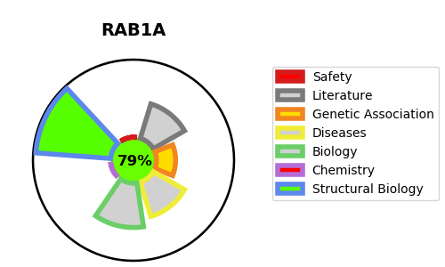
Gene_name | RAB1A | Tractable | Tractability_probability
Synonyms | RAB1,RAB1A,Ras-related protein Rab-1A,YPT1-related protein | True | 79.32
Target_id | P62820 | In Training data set ?
Protein_class | Hydrolase | No
Protein_class_desc | enzyme -> hydrolase
Species | Homo sapiens (Human).
Number_isoforms | 3

DISEASE |  | PATHWAYS
disease_id | disease_name | Reactome | KEGG
 |  | Asparagine N-linked glycosylation
 |  | COPI-dependent Golgi-to-ER retrograde traffic
 |  | COPI-mediated anterograde transport
 |  | COPII-mediated vesicle transport
 |  | Cell Cycle
 |  | Cell Cycle, Mitotic
 |  | ER to Golgi Anterograde Transport
 |  | Golgi Cisternae Pericentriolar Stack Reorganization
 |  | Golgi-to-ER retrograde transport
 |  | Intra-Golgi and retrograde Golgi-to-ER traffic
 |  | M Phase
 |  | Membrane Trafficking
 |  | Metabolism of proteins
 |  | Mitotic Prophase
 |  | Post-translational protein modification
 |  | RAB GEFs exchange GTP for GDP on RABs
 |  | RAB geranylgeranylation
 |  | Rab regulation of trafficking
 |  | Transport to the Golgi and subsequent modification
 |  | Vesicle-mediated transport

