General info
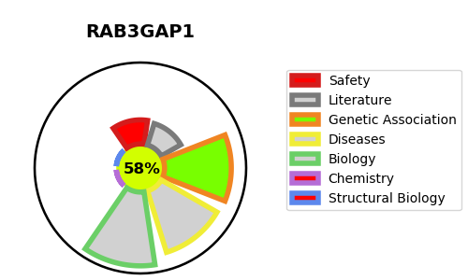
Gene_name | RAB3GAP1 | Tractable | Tractability_probability
Synonyms | KIAA0066, RAB3GAP | True | 58.86
Target_id | Q15042 | In Training data set ?
Protein_class |  | No
Protein_class_desc
Species | Homo sapiens (Human).
Number_isoforms | 3

DISEASE |  | PATHWAYS
disease_id | disease_name | Reactome | KEGG
OMIM:600118 | WARBURG MICRO SYNDROME 1 | COPI-independent Golgi-to-ER retrograde traffic
 |  | Golgi-to-ER retrograde transport
 |  | Intra-Golgi and retrograde Golgi-to-ER traffic
 |  | Membrane Trafficking
 |  | RAB GEFs exchange GTP for GDP on RABs
 |  | Rab regulation of trafficking
 |  | Vesicle-mediated transport

