General info
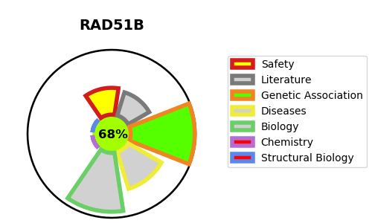
Gene_name | RAD51B | Tractable | Tractability_probability
Synonyms | RAD51L1, REC2 | True | 68.54
Target_id | O15315 | In Training data set ?
Protein_class |  | Yes
Protein_class_desc
Species | Homo sapiens (Human).
Number_isoforms | 5

DISEASE |  | PATHWAYS
disease_id | disease_name | Reactome | KEGG
 |  | DNA Double-Strand Break Repair
 |  | DNA Repair
 |  | Factors involved in megakaryocyte development and platelet production
 |  | HDR through Homologous Recombination (HRR)
 |  | HDR through Homologous Recombination (HRR) or Single Strand Annealing (SSA)
 |  | Hemostasis
 |  | Homologous DNA Pairing and Strand Exchange
 |  | Homology Directed Repair
 |  | Presynaptic phase of homologous DNA pairing and strand exchange
 |  | Resolution of D-Loop Structures
 |  | Resolution of D-loop Structures through Holliday Junction Intermediates
 |  | Resolution of D-loop Structures through Synthesis-Dependent Strand Annealing (SDSA)

