General info
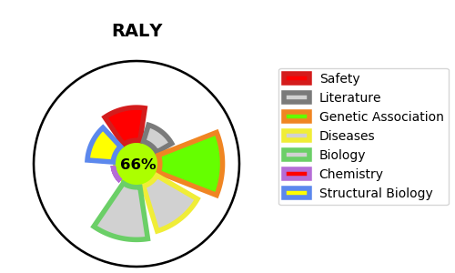
Gene_name | RALY | Tractable | Tractability_probability
Synonyms | HNRPCL2, P542 | True | 66.35
Target_id | Q9UKM9 | In Training data set ?
Protein_class |  | No
Protein_class_desc
Species | Homo sapiens (Human).
Number_isoforms | 2

DISEASE |  | PATHWAYS
disease_id | disease_name | Reactome | KEGG

