General info
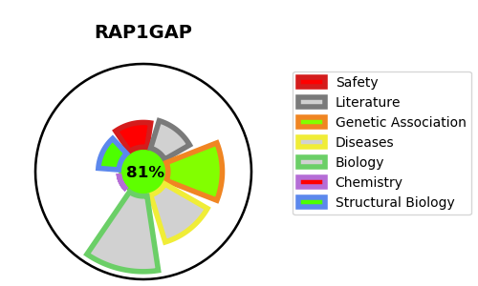
Gene_name | RAP1GAP | Tractable | Tractability_probability
Synonyms | KIAA0474, RAP1GA1 | True | 81.69
Target_id | P47736 | In Training data set ?
Protein_class |  | No
Protein_class_desc
Species | Homo sapiens (Human).
Number_isoforms | 4

DISEASE |  | PATHWAYS
disease_id | disease_name | Reactome | KEGG
 |  | Adaptive Immune System
 |  | Axon guidance
 |  | Developmental Biology
 |  | Immune System
 |  | Nervous system development
 |  | RET signaling
 |  | Rap1 signalling

