General info
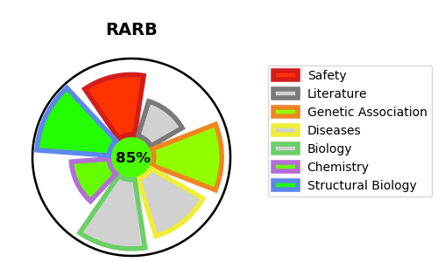
Gene_name | RARB | Tractable | Tractability_probability
Synonyms | HAP,HBV-activated protein,NR1B2,Nuclear receptor subfamily 1 group B member 2,RAR-beta,RAR-epsilon,RARB,Retinoic acid receptor beta | True | 85.37
Target_id | P10826 | In Training data set ?
Protein_class | Nuclear hormone receptor subfamily 1 group B member 2 | No
Protein_class_desc | transcription factor -> nuclear receptor -> nr1 -> nr1b -> nr1b2
Species | Homo sapiens (Human).
Number_isoforms | 4

DISEASE |  | PATHWAYS
disease_id | disease_name | Reactome | KEGG
OMIM:615524 | MICROPHTHALMIA, SYNDROMIC 12 | Activation of HOX genes during differentiation
 |  | Activation of anterior HOX genes in hindbrain development during early embryogenesis
 |  | Developmental Biology
 |  | Gene expression (Transcription)
 |  | Generic Transcription Pathway
 |  | Nuclear Receptor transcription pathway
 |  | RNA Polymerase II Transcription
 |  | Signal Transduction
 |  | Signaling by Nuclear Receptors
 |  | Signaling by Retinoic Acid

