General info
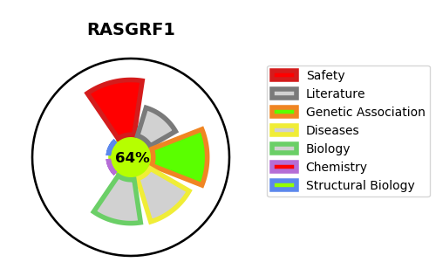
Gene_name | RASGRF1 | Tractable | Tractability_probability
Synonyms | CDC25,GNRP,GRF1,Guanine nucleotide-releasing protein,RASGRF1,Ras-GRF1,Ras-specific guanine nucleotide-releasing factor 1,Ras-specific nucleotide exchange factor CDC25 | True | 64.44
Target_id | Q13972 | In Training data set ?
Protein_class | Unclassified protein | No
Protein_class_desc | unclassified
Species | Homo sapiens (Human).
Number_isoforms | 3

DISEASE |  | PATHWAYS
disease_id | disease_name | Reactome | KEGG
 |  | Activation of NMDA receptors and postsynaptic events
 |  | CREB1 phosphorylation through NMDA receptor-mediated activation of RAS signaling
 |  | Cytokine Signaling in Immune system
 |  | FLT3 Signaling
 |  | Immune System
 |  | MAPK family signaling cascades
 |  | MAPK1/MAPK3 signaling
 |  | Neuronal System
 |  | Neurotransmitter receptors and postsynaptic signal transmission
 |  | Post NMDA receptor activation events
 |  | RAF/MAP kinase cascade
 |  | Ras activation upon Ca2+ influx through NMDA receptor
 |  | Signal Transduction
 |  | Transmission across Chemical Synapses

