General info
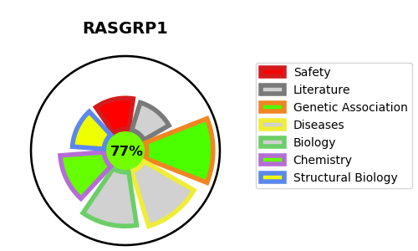
Gene_name | RASGRP1 | Tractable | Tractability_probability
Synonyms | CalDAG-GEFII,Calcium and DAG-regulated guanine nucleotide exchange factor II,RAS guanyl-releasing protein 1,RASGRP,RASGRP1,Ras guanyl-releasing protein | True | 77.48
Target_id | O95267 | In Training data set ?
Protein_class | Other cytosolic protein | No
Protein_class_desc | cytosolic other
Species | Homo sapiens (Human).
Number_isoforms | 5

DISEASE |  | PATHWAYS
disease_id | disease_name | Reactome | KEGG
OMIM:618534 | IMMUNODEFICIENCY 64 | Activation of RAS in B cells
 |  | Adaptive Immune System
 |  | Cytokine Signaling in Immune system
 |  | Downstream signaling events of B Cell Receptor (BCR)
 |  | Effects of PIP2 hydrolysis
 |  | FCERI mediated NF-kB activation
 |  | FLT3 Signaling
 |  | Fc epsilon receptor (FCERI) signaling
 |  | G alpha (q) signalling events
 |  | GPCR downstream signalling
 |  | Hemostasis
 |  | Immune System
 |  | Innate Immune System
 |  | Integrin signaling
 |  | MAPK family signaling cascades
 |  | MAPK1/MAPK3 signaling
 |  | Platelet Aggregation (Plug Formation)
 |  | Platelet activation, signaling and aggregation
 |  | RAF/MAP kinase cascade
 |  | Rap1 signalling
 |  | Signal Transduction
 |  | Signaling by GPCR
 |  | Signaling by the B Cell Receptor (BCR)

