General info
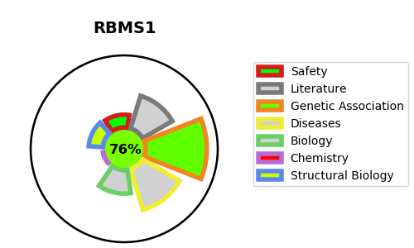
Gene_name | RBMS1 | Tractable | Tractability_probability
Synonyms | C2orf12, MSSP, MSSP1, SCR2 | True | 76.11
Target_id | P29558 | In Training data set ?
Protein_class |  | No
Protein_class_desc
Species | Homo sapiens (Human).
Number_isoforms | 3

DISEASE |  | PATHWAYS
disease_id | disease_name | Reactome | KEGG

