General info
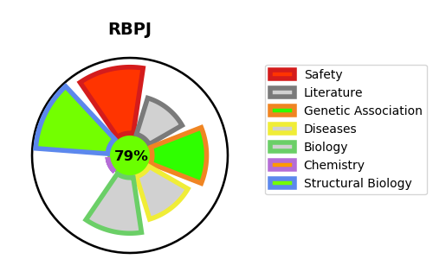
Gene_name | RBPJ | Tractable | Tractability_probability
Synonyms | CBF-1,IGKJRB1,J kappa-recombination signal-binding protein,RBP-J,RBP-J kappa,RBP-JK,RBPJ,RBPJK,RBPSUH,Recombining binding protein suppressor of hairless,Renal carcinoma antigen NY-REN-30 | True | 79.37
Target_id | Q06330 | In Training data set ?
Protein_class | Unclassified protein | No
Protein_class_desc | unclassified
Species | Homo sapiens (Human).
Number_isoforms | 7

DISEASE |  | PATHWAYS
disease_id | disease_name | Reactome | KEGG
OMIM:614814 | ADAMS-OLIVER SYNDROME 3 | Constitutive Signaling by NOTCH1 HD+PEST Domain Mutants
 |  | Constitutive Signaling by NOTCH1 PEST Domain Mutants
 |  | Developmental Biology
 |  | Disease
 |  | Diseases of signal transduction by growth factor receptors and second messengers
 |  | Gene expression (Transcription)
 |  | Generic Transcription Pathway
 |  | NOTCH1 Intracellular Domain Regulates Transcription
 |  | NOTCH2 intracellular domain regulates transcription
 |  | NOTCH3 Intracellular Domain Regulates Transcription
 |  | NOTCH4 Intracellular Domain Regulates Transcription
 |  | Notch-HLH transcription pathway
 |  | Pre-NOTCH Expression and Processing
 |  | Pre-NOTCH Transcription and Translation
 |  | RNA Polymerase II Transcription
 |  | RUNX3 regulates NOTCH signaling
 |  | Regulation of beta-cell development
 |  | Regulation of gene expression in late stage (branching morphogenesis) pancreatic bud precursor cells
 |  | Signal Transduction
 |  | Signaling by NOTCH
 |  | Signaling by NOTCH1
 |  | Signaling by NOTCH1 HD+PEST Domain Mutants in Cancer
 |  | Signaling by NOTCH1 PEST Domain Mutants in Cancer
 |  | Signaling by NOTCH1 in Cancer
 |  | Signaling by NOTCH2
 |  | Signaling by NOTCH3
 |  | Signaling by NOTCH4
 |  | Transcriptional regulation by RUNX3

