General info
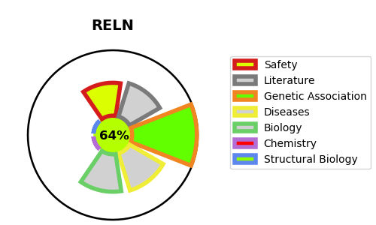
Gene_name | RELN | Tractable | Tractability_probability
Synonyms | Not found | True | 64.79
Target_id | P78509 | In Training data set ?
Protein_class |  | No
Protein_class_desc
Species | Homo sapiens (Human).
Number_isoforms | 3

DISEASE |  | PATHWAYS
disease_id | disease_name | Reactome | KEGG
OMIM:257320 | LISSENCEPHALY 2 | Axon guidance
OMIM:600512 | EPILEPSY, FAMILIAL TEMPORAL LOBE, 1 | Developmental Biology
OMIM:616436 | EPILEPSY, FAMILIAL TEMPORAL LOBE, 7 | Nervous system development
 |  | Reelin signalling pathway

