General info
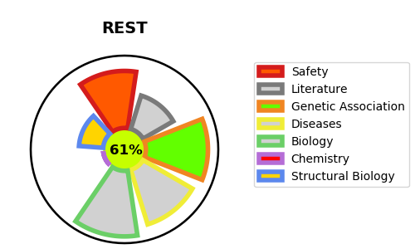
Gene_name | REST | Tractable | Tractability_probability
Synonyms | NRSF, XBR | True | 61.36
Target_id | Q13127 | In Training data set ?
Protein_class |  | No
Protein_class_desc
Species | Homo sapiens (Human).
Number_isoforms | 4

DISEASE |  | PATHWAYS
disease_id | disease_name | Reactome | KEGG
OMIM:612431 | DEAFNESS, AUTOSOMAL DOMINANT 27 | Chromatin modifying enzymes
OMIM:616806 | WILMS TUMOR 6 | Chromatin organization
OMIM:617626 | FIBROMATOSIS, GINGIVAL, 5 | Disease
 |  | HDACs deacetylate histones
 |  | Infectious disease
 |  | Intracellular signaling by second messengers
 |  | NGF-stimulated transcription
 |  | Nuclear Events (kinase and transcription factor activation)
 |  | PIP3 activates AKT signaling
 |  | PTEN Regulation
 |  | Potential therapeutics for SARS
 |  | Regulation of PTEN gene transcription
 |  | SARS-CoV Infections
 |  | Signal Transduction
 |  | Signaling by NTRK1 (TRKA)
 |  | Signaling by NTRKs
 |  | Signaling by Receptor Tyrosine Kinases

