General info
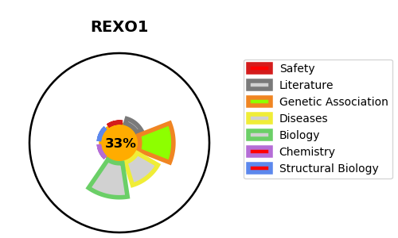
Gene_name | REXO1 | Tractable | Tractability_probability
Synonyms | ELOABP1, KIAA1138, TCEB3BP1 | False | 33.88
Target_id | Q8N1G1 | In Training data set ?
Protein_class |  | No
Protein_class_desc
Species | Homo sapiens (Human).
Number_isoforms | 0

DISEASE |  | PATHWAYS
disease_id | disease_name | Reactome | KEGG

