General info
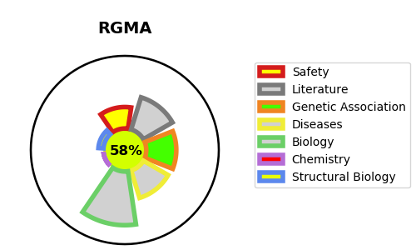
Gene_name | RGMA | Tractable | Tractability_probability
Synonyms | RGM | True | 58.7
Target_id | Q96B86 | In Training data set ?
Protein_class |  | No
Protein_class_desc
Species | Homo sapiens (Human).
Number_isoforms | 3

DISEASE |  | PATHWAYS
disease_id | disease_name | Reactome | KEGG
 |  | Axon guidance
 |  | Developmental Biology
 |  | Nervous system development
 |  | Netrin-1 signaling

