General info
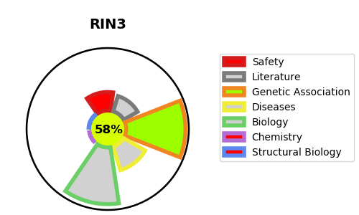
Gene_name | RIN3 | Tractable | Tractability_probability
Synonyms | Not found | True | 58.17
Target_id | Q8TB24 | In Training data set ?
Protein_class |  | No
Protein_class_desc
Species | Homo sapiens (Human).
Number_isoforms | 2

DISEASE |  | PATHWAYS
disease_id | disease_name | Reactome | KEGG
 |  | Membrane Trafficking
 |  | RAB GEFs exchange GTP for GDP on RABs
 |  | Rab regulation of trafficking
 |  | Vesicle-mediated transport

