General info
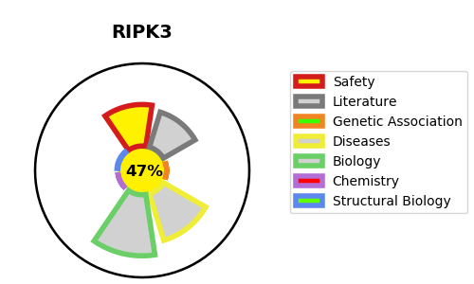
Gene_name | RIPK3 | Tractable | Tractability_probability
Synonyms | 2.7.11.1,RIP-3,RIP-like protein kinase 3,RIP3,RIPK3,Receptor-interacting protein 3,Receptor-interacting serine/threonine-protein kinase 3 | False | 47.02
Target_id | Q9Y572 | In Training data set ?
Protein_class | TKL protein kinase group | No
Protein_class_desc | enzyme -> kinase -> protein kinase -> tkl
Species | Homo sapiens (Human).
Number_isoforms | 3

DISEASE |  | PATHWAYS
disease_id | disease_name | Reactome | KEGG
 |  | Cytosolic sensors of pathogen-associated DNA
 |  | IKK complex recruitment mediated by RIP1
 |  | Immune System
 |  | Innate Immune System
 |  | Ion channel transport
 |  | Microbial modulation of RIPK1-mediated regulated necrosis
 |  | MyD88-independent TLR4 cascade
 |  | Programmed Cell Death
 |  | RIP-mediated NFkB activation via ZBP1
 |  | RIPK1-mediated regulated necrosis
 |  | Regulated Necrosis
 |  | Regulation of necroptotic cell death
 |  | Stimuli-sensing channels
 |  | TICAM1, RIP1-mediated IKK complex recruitment
 |  | TLR3-mediated TICAM1-dependent programmed cell death
 |  | TRIF(TICAM1)-mediated TLR4 signaling
 |  | TRIF-mediated programmed cell death
 |  | TRP channels
 |  | Toll Like Receptor 3 (TLR3) Cascade
 |  | Toll Like Receptor 4 (TLR4) Cascade
 |  | Toll-like Receptor Cascades
 |  | Transport of small molecules
 |  | ZBP1(DAI) mediated induction of type I IFNs

