General info
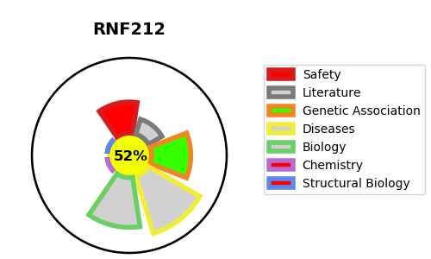
Gene_name | RNF212 | Tractable | Tractability_probability
Synonyms | Not found | True | 52.89
Target_id | Q495C1 | In Training data set ?
Protein_class |  | No
Protein_class_desc
Species | Homo sapiens (Human).
Number_isoforms | 6

DISEASE |  | PATHWAYS
disease_id | disease_name | Reactome | KEGG
OMIM:612042 | RECOMBINATION RATE QUANTITATIVE TRAIT LOCUS 1

